Method 1
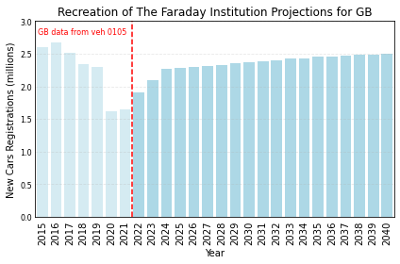
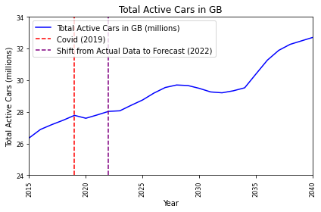
 | UK Wide Car Data using veh 0105 and veh 0150 (Great Britian rather than UK as UK does not go back far enough)

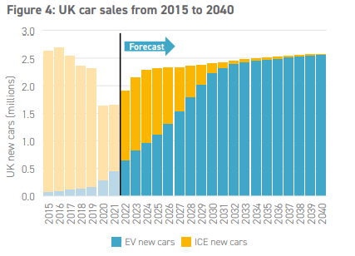
 | Method 1 Forecast
Year | New Registrations/1,000 | New Registrations | Total Small Vehcs/1000 | Total Small Vehcs | Registrations Subtracted
2008 | 2112 | 2111998
2009 | 1968 | 1968252
2010 | 1996 | 1996324 | 24730 | 24730100
2011 | 1907 | 1907411 | 24763 | 24762800 | 1874711
2012 | 2011 | 2010825 | 24988 | 24987600 | 1786025
2013 | 2225 | 2225082 | 25360 | 25359500 | 1853182
2014 | 2438 | 2438340 | 25755 | 25755300 | 2042540
2015 | 2602 | 2602146 | 26350 | 26350200 | 2007246
2016 | 2665 | 2665251 | 26888 | 26887900 | 2127551
2017 | 2509 | 2509330 | 27194 | 27193500 | 2203730
2018 | 2342 | 2341505 | 27470 | 27470100 | 2064905
2019 | 2295 | 2295409 | 27779 | 27778800 | 1986709
2020 | 1620 | 1619957 | 27595 | 27595400 | 1803357
2021 | 1640 | 1640224 | 27806 | 27805800 | 1429824
2022 | 1613 | 1613141 | 28030 | 28029640 | 1389301
2023 | 2150 | 2150000 | 28067.642 | 28067642 | 2111998
2024 | 2318 | 2318000 | 28417.39 | 28417390 | 1968252
2025 | 2329 | 2329000 | 28750.066 | 28750066 | 1996324
2026 | 2344 | 2344000 | 29186.655 | 29186655 | 1907411
2027 | 2364 | 2364000 | 29539.83 | 29539830 | 2010825
2028 | 2384 | 2384000 | 29698.748 | 29698748 | 2225082
2029 | 2404 | 2404000 | 29664.408 | 29664408 | 2438340
2030 | 2424 | 2424000 | 29486.262 | 29486262 | 2602146
2031 | 2439 | 2439000 | 29260.011 | 29260011 | 2665251
2032 | 2454 | 2454000 | 29204.681 | 29204681 | 2509330
2033 | 2469 | 2469000 | 29332.176 | 29332176 | 2341505
2034 | 2484 | 2484000 | 29520.767 | 29520767 | 2295409
2035 | 2499 | 2499000 | 30399.81 | 30399810 | 1619957
2036 | 2509 | 2509000 | 31268.586 | 31268586 | 1640224
2037 | 2519 | 2519000 | 32174.445 | 32174445 | 1613141
2038 | 2529 | 2529000 | 32553.445 | 32553445 | 2150000
2039 | 2539 | 2539000 | 32774.445 | 32774445 | 2318000
2040 | 2549 | 2549000 | 32994.445 | 32994445 | 2329000

Method 2 + Choice of Method
UK Wide Car Data using veh 0105 and veh 0150 (Great Britian rather than UK as UK does not go back far enough)

Forecasting of method 1 |  |  |  |  |  |  | Data for table 4.1
Year | New Registrations/1,000 | New Registrations | Total Small Vehcs/1000 | Total Small Vehcs | Registrations Subtracted | Year | New Registrations (100,000s) | Cars Decomisioned (100,000s) | Ratio
2008 | 2112 | 2111998 |  |  |  | 2012 | 201.08 | 178.60 | 1.13
2009 | 1968 | 1968252 |  |  |  | 2013 | 222.51 | 185.32 | 1.20
2010 | 1996 | 1996324 | 24730 | 24730100 |  | 2014 | 243.83 | 204.25 | 1.19
2011 | 1907 | 1907411 | 24763 | 24762800 | 1874711 | 2015 | 260.21 | 200.72 | 1.30
2012 | 2011 | 2010825 | 24988 | 24987600 | 1786025 | 2016 | 266.53 | 212.76 | 1.25
2013 | 2225 | 2225082 | 25360 | 25359500 | 1853182 | 2017 | 250.93 | 220.37 | 1.14
2014 | 2438 | 2438340 | 25755 | 25755300 | 2042540 | 2018 | 231.15 | 203.49 | 1.14
2015 | 2602 | 2602146 | 26350 | 26350200 | 2007246 | 2019 | 229.54 | 198.67 | 1.16
2016 | 2665 | 2665251 | 26888 | 26887900 | 2127551 | 2020 | 162.00 | 180.34 | 0.90
2017 | 2509 | 2509330 | 27194 | 27193500 | 2203730 | 2021 | 164.02 | 142.98 | 1.15
2018 | 2312 | 2311505 | 27470 | 27470100 | 2034905 | 2022 | 161.31 | 138.93 | 1.16
2019 | 2295 | 2295409 | 27779 | 27778800 | 1986709 |  | Total Cars (millions)
2020 | 1620 | 1619957 | 27595 | 27595400 | 1803357 |  | UK Gov Forecast | Method 2 Forecast
2021 | 1640 | 1640224 | 27806 | 27805800 | 1429824 | 2010 | 24.73 | 24.73
2022 | 1613 | 1613141 | 28030 | 28029640 | 1389301 | 2011 | 25.03 | 24.76
2023 | 2100 | 2424574 | 28342 | 28342216 | 2111998 | 2012 | 25.32 | 24.99
2024 | 2200 | 2259553 | 28634 | 28633517 | 1968252 | 2013 | 25.62 | 25.36
2025 | 2250 | 2291780 | 28929 | 28928973 | 1996324 | 2014 | 25.92 | 25.76
2026 | 2270 | 2189708 | 29211 | 29211270 | 1907411 | 2015 | 26.21 | 26.35
2027 | 2290 | 2308427 | 29509 | 29508872 | 2010825 | 2016 | 26.66 | 26.89
2028 | 2310 | 2554394 | 29838 | 29838184 | 2225082 | 2017 | 27.10 | 27.19
2029 | 2330 | 2799214 | 30199 | 30199058 | 2438340 | 2018 | 27.55 | 27.47
2030 | 2350 | 2987264 | 30584 | 30584176 | 2602146 | 2019 | 27.99 | 27.78
2031 | 2370 | 3059708 | 30979 | 30978633 | 2665251 | 2020 | 28.44 | 27.60
2032 | 2390 | 2880711 | 31350 | 31350014 | 2509330 | 2021 | 28.84 | 27.81
2033 | 2410 | 2653608 | 31692 | 31692117 | 2311505 | 2022 | 29.23 | 28.03
2034 | 2430 | 2635130 | 32032 | 32031837 | 2295409 | 2023 | 29.63 | 28.34
2035 | 2450 | 1859711 | 32272 | 32271591 | 1619957 | 2024 | 30.02 | 28.63
2036 | 2470 | 1882977 | 32514 | 32514344 | 1640224 | 2025 | 30.42 | 28.93
2037 | 2490 | 1851886 | 32753 | 32753089 | 1613141 | 2026 | 30.67 | 29.21
2038 | 2510 | 2783411 | 33112 | 33111926 | 2424574 | 2027 | 30.91 | 29.51
2039 | 2530 | 2593967 | 33446 | 33446340 | 2259553 | 2028 | 31.16 | 29.84
2040 | 2550 | 2630963 | 33786 | 33785523 | 2291780 | 2029 | 31.41 | 30.20
 |  |  |  |  |  | 2030 | 31.65 | 30.58
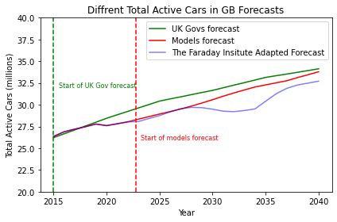
 |  |  |  |  |  | 2031 | 31.95 | 30.98
 |  |  |  |  |  | 2032 | 32.25 | 31.35
 |  |  |  |  |  | 2033 | 32.54 | 31.69
 |  |  |  |  |  | 2034 | 32.84 | 32.03
 |  |  |  |  |  | 2035 | 33.14 | 32.27
 |  |  |  |  |  | 2036 | 33.34 | 32.51
 |  |  |  |  |  | 2037 | 33.53 | 32.75
 |  |  |  |  |  | 2038 | 33.73 | 33.11
 |  |  |  |  |  | 2039 | 33.93 | 33.45
 |  |  |  |  |  | 2040 | 34.13 | 33.79

